Hose List
Step | Equipment / connection point | Hose type | Size / connection | Material | Quantity | Process material | Purpose of the hose | Photo
Step 1 SPPS | 1213-Sy12 other-solvent pump, outlet line | Braided hose | DN40 flanged | 316L | 1 | IPA / ACN | Vibration damping
 | 1213-Sy12 circulation cleaning line 3 | Braided hose | DN25 quick-connect | 316L | 1 | DMF / circulation cleaning | Simplifies pipe routing
 | 1213-Sy12 activation tank transfer pump, suction line | Braided hose | DN40 quick-connect | 316L | 1 | Activation solution / DMF / DIPEA | Vibration damping
 | 1213-Sy12 activation tank transfer pump, discharge line | Braided hose | DN40 quick-connect | 316L | 1 |  | Vibration damping
 | 1213-R23 reactor transfer pump, suction line | Braided hose | DN25 flanged | 316L | 1 | DMF | Vibration damping
 | 1213-R23 reactor transfer pump, discharge line | Braided hose | DN25 flanged | 316L | 1 |  | Vibration damping
Step 2 Cleavage | 1213-R10 charging port | Braided hose | DN25 quick-connect | Halar (ECTFE) lined | 2 | TFA | Charging of drummed solvent; fitting connection
 | 1213-R09 charging port |  |  |  | 2
 | 1213-R10 charging port | PTFE tubing | Ø8 mm | PTFE | 5 m × 1 | Purified water | Weight-controlled addition at −5 ± 3 °C
 | 1213-R10 charging port | PTFE tubing | Ø8 mm | PTFE | 5 m × 1 | Triisopropylsilane | Drummed raw material, addition at −5 ± 3 °C
 | 1213-R10 bottom outlet transfer pump, suction and discharge | Braided hose | DN25 flanged | PTFE | 2 | TFA, water, DTT, triisopropylsilane | Pump connection, vibration damping
 | 1200-F04 bottom outlet transfer pump, suction and discharge |  |  |  | 2 | TFA, water, DTT, triisopropylsilane, 139788
Step 3 Purification | 1213-R05 purified-water point | Purified-water hose | DN25 quick-connect | PVC | 4 | Purified water | Purified-water point connection; prevents water system contamination
 | 1211-HPPC03-AT01 / AT02 / T01 / AT05 / AT03 purified-water points
 | 1213-R05 charging port | PTFE tubing | Ø8 mm | PTFE | 5 m × 2 | Hydrochloric acid / acetic acid | Drummed raw material for pH adjustment
 | 1211-HPPC03-AT05 / AT03 charging ports | PTFE tubing | Ø8 mm | PTFE | 5 m × 3 | Ammonia solution / acetic acid | Drummed raw material for pH adjustment
 | 1211-MTK03 charging port | Braided hose | DN25 quick-connect | 316L | 2 | Isopropanol | Fitting connection for charging drummed solvent
 | 1211-MTK03 circulation pump outlet | Braided hose | DN25 quick-connect | 316L | 3 | Isopropanol / chromatography resin | Resin transfer
 | 1211-HPPC03-AT02 discharge / charging | Braided hose | DN25 quick-connect | 316L | 4 | Tris salt solution / ammonium acetate solution | Fitting connection for discharging and charging drummed raw material
 | 1211-Co05 inlet and outlet | PTFE-lined metal hose | 1 in. quick-connect | PTFE | 2 | Preparative fractions | Connects prep column to prep-HPLC system
 | TFF ultrafiltration system, vessel connections | PTFE hose | 1 in. quick-connect | PTFE (Teflon) | 6 | ACN, purified water, 139788, methanol, sodium hydroxide solution | Weigh-module connection, vibration damping | 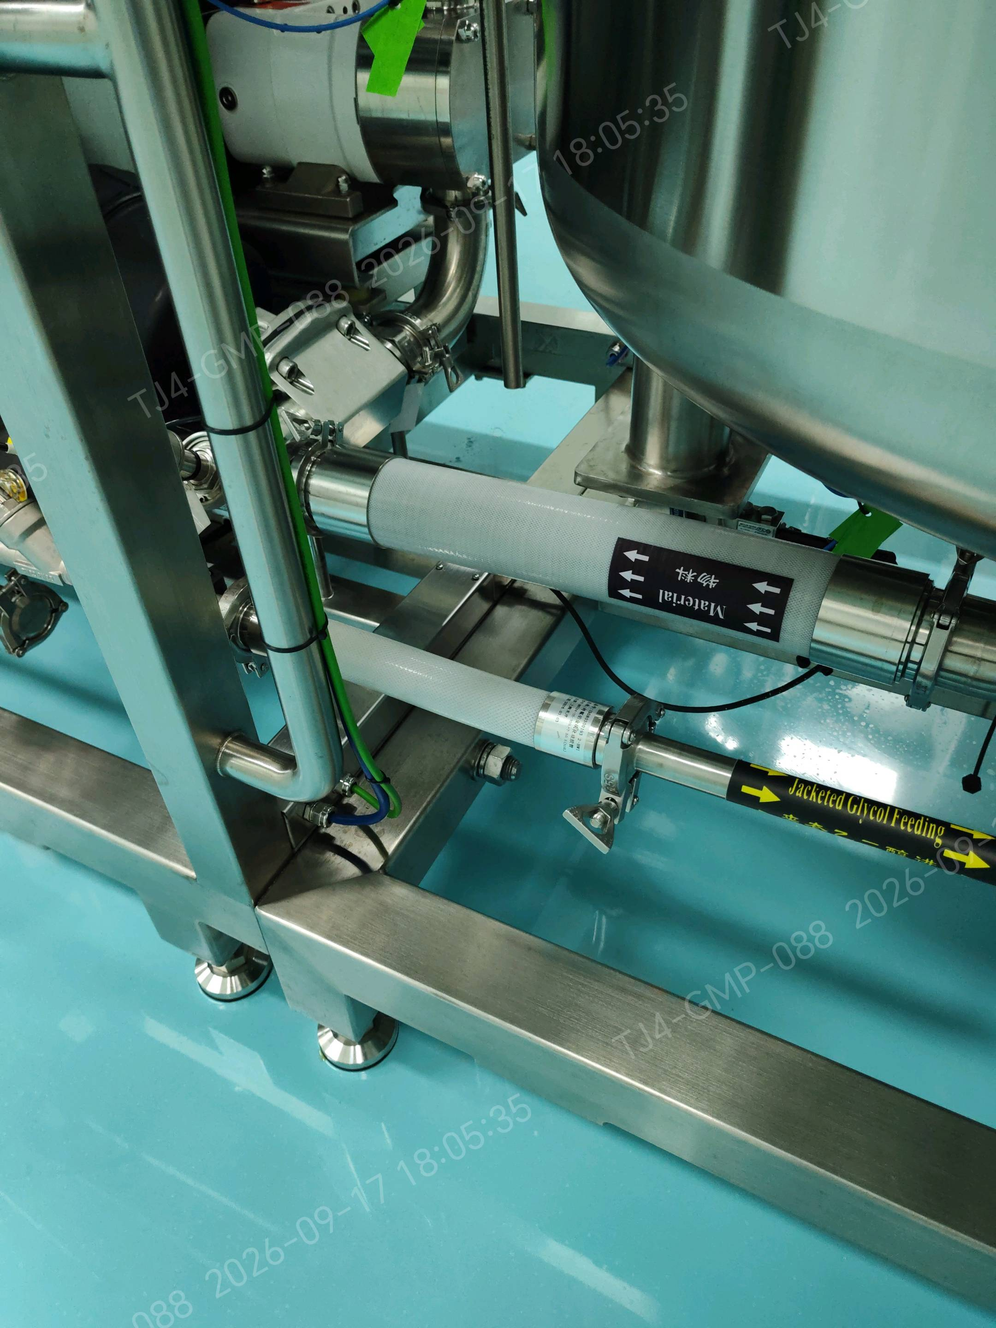
 |  |  | 3 in. quick-connect | PTFE (Teflon) | 1
 | 1211-AT01 charging port | PTFE hose | 1 in. quick-connect | PTFE (Teflon) | 5 | Sodium hydroxide in methanol, 139788, methanol | Weigh-module connection, vibration damping

